Cover sheet and Instructions
 | Insert Tenderer Name
 | Hinekura Road Remediation
 | Price Response Form
 | 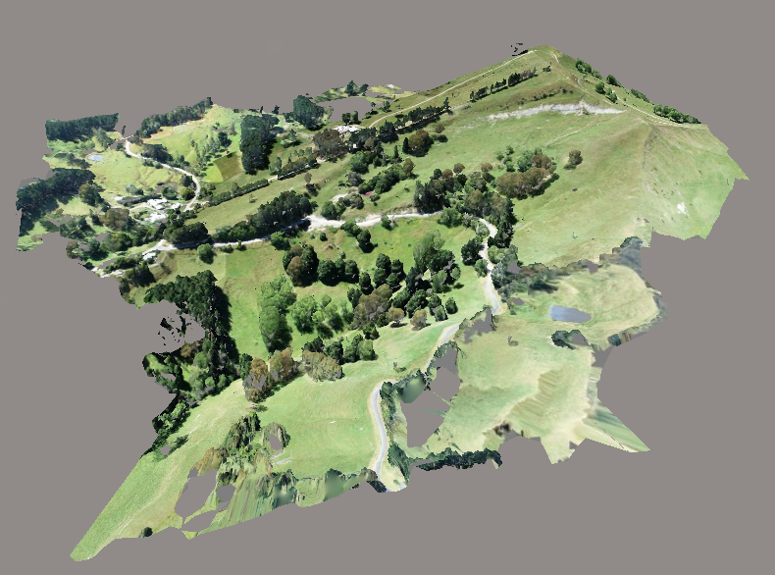
 | Instructions for Tenderers
1 | This schedule will be scored, and will form part of the interview discussions in evaluation of your tender.
2 | Please complete all sections of this form to include detail on the rates, costs and margins you will apply for this cost-plus contract
3 | Please do NOT restructure this form, however you can insert rows if there is insufficient space under any major category.
4 | Note that shaded cells on this sheet are locked, aiming to preserve the structure of the spreadsheet to assist with assessment of your infromation. Please complete and/ or amend the unshaded (unlocked) cells. If you need to add rows, please unlock this sheet using Review/ Unprotect. There is no password.
5 | Please include any and all assumptions, tags and clarifications relating to your overall bid, on the Assumptions Tab. Include any assumptions, clarifications or tags relating to specific items in the schedule in the last column of the Scope & Price Schedule.

